Data Entry
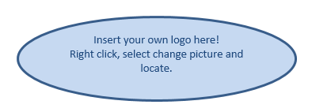 |  | Click her to enter your Company Name, Address and Year of Accounts. This information will automatically be copied onto the Summary Page. |  |  | Go To Summary of Accounts
Date | Description | Money In | Fees/Ads and Discounts | Consumables | Web Costs | Equipment
2014-08-28 | Sample Entry | 2.50

